Project considerations
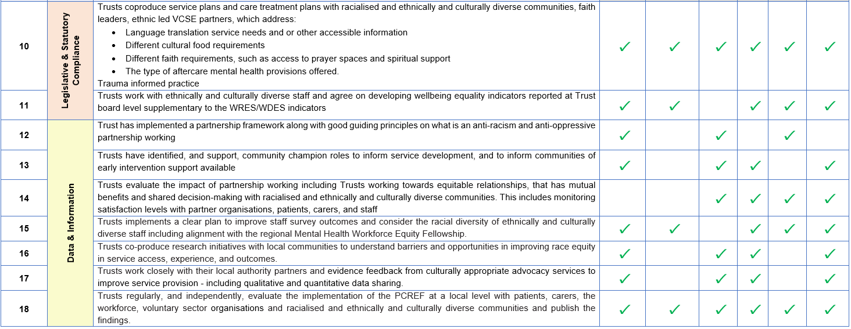
Index |  | #VALUE! | Current version | #VALUE! | 2026-02-16 | 2026-02-16 13:58:57
 |  | Internal Project Considerations for The PSC

1 | Notes on the tool

 | 1 | This tool was developed using the NHS England Patient and Carer Race Equality Framework - https://www.england.nhs.uk/long-read/patient-and-carer-race-equality-framework/
 | 2 | The requirements or examples set out in this tool are not MECE across the competencies - a single process within a Trust might ensure it meets several competencies
 | 3 | The requirements have been developed from examples set out within the guidance. It is expected that we will iterate this tool as we come across further examples within Trusts
 | 4 | Related to above, it is therefore somewhat up to personal/team judgement as to whether a Trust meets a requirement or not
 | 5 | Capturing the evidence for/ rationalising a Trust meeting a requirement is key and will support consistency of judgement across different Trusts
 | 6 | An example checklist of actions against the national competencies is given by NHS England and pasted below. The actions/ processes are broadly split into 4 categories:
 |  | Leadership and Governance
 |  | Policy and Practice
 |  | Legislative and Statuatory Compliance
 |  | Data and Information
 | 7 | PCREF Part 3 is largely up to the individual Trusts, though best practice and learnings should emerge from pilot Trusts and early adopter sites
 | 8 | Project should consider how to account for variation across ward teams in the Trust - haven't considered how to do this on the tool yet

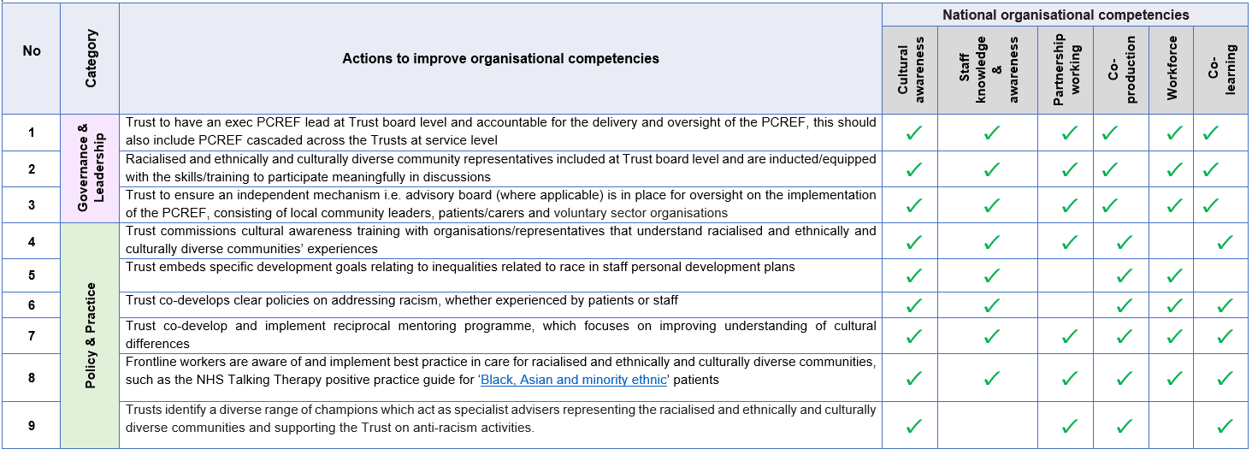

z | End of Sheet

